Leaderboard
 | 🏆 LEADERBOARD 🏔️
 |  |  |  |  | Scoring Table
 | Rank | Player | Total Pts | Tiebreaker | Tier: | Gold | Silver | Bronze
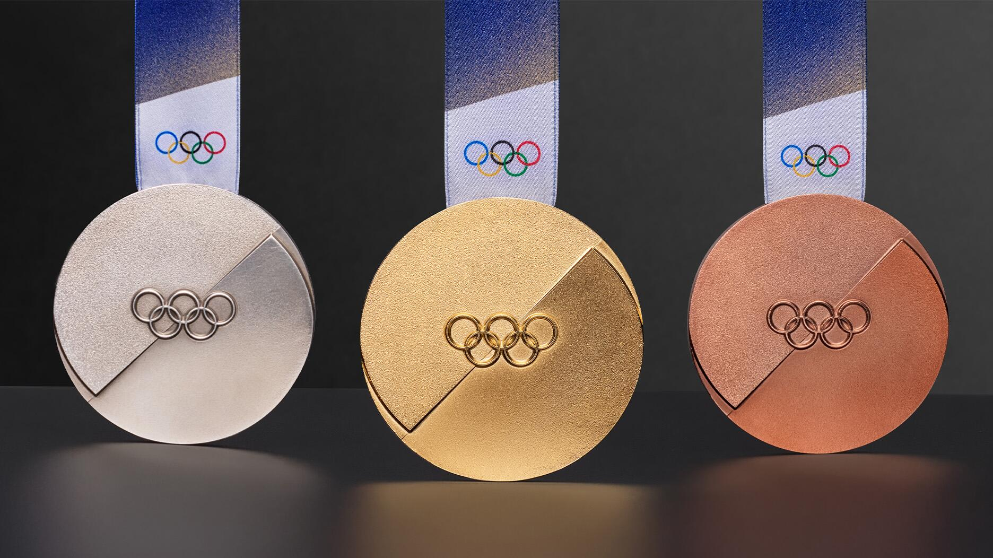
 | 1 | LucasF | 762 | 50 | 1 | 3 | 2 | 1
 | 2 | Brad’s Cousin’s Cousin | 741 | 25 | 2 | 6 | 4 | 2
 | 3 | King Towsk | 705 | 27 | 3 | 9 | 6 | 3
 | 4 | Reb | 680 | 65 | 4 | 18 | 12 | 6
 | 5 | Murph | 676 | 25 | 5 | 30 | 20 | 10
 | 6 | Bryan Jakobsze🇵🇱 | 669 | 29 | 6 | 60 | 40 | 20
 | 7 | SMAC | 651 | 27
 | 8 | Mark Mattson | 647 | 27 | USA Total Medal Count = 33

View Player Rosters and Scores | 9 | A taco93 | 646 | 27
 | 10 | Molly | 645 | 26
View Live Medal Table | 11 | SilkMaster420 | 623 | 45
 | 12 | Pat Doherty | 621 | 52
 | 13 | bgreen | 611 | 29
 | 14 | Jack Jansen | 582 | 52
 | 15 | Jennie | 571 | 25
 | 16 | Charlie | 570 | 29
 | 17 | kborst13 | 564 | 47
 | 18 | Siri | 550 | 67
 | 19 | Wyatt | 497 | 27
 | 20 | Tate McRae | 470 | 23
 | 21 | Josh’s Dawgs | 464 | 200
 | 22 | Wicks | 458 | 26
 | 23 | Jdrobny | 451 | 26

Live Medal Table
Country | Tier | Gold | Silver | Bronze | Total | Points | Flag
Italy | 3 | 10 | 6 | 14 | 30 | 168 |  | Return to Leaderboard
Australia | 5 | 3 | 2 | 1 | 6 | 140
Japan | 3 | 5 | 7 | 12 | 24 | 123
Great Britain | 5 | 3 | 1 | 1 | 5 | 120
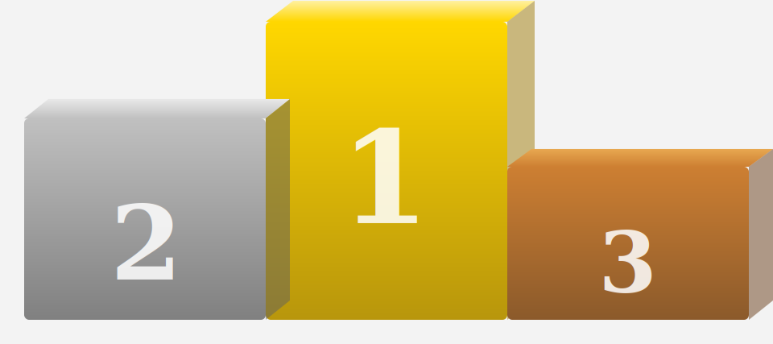
New Zealand | 6 | 0 | 2 | 1 | 3 | 100
Spain | 6 | 1 | 0 | 2 | 3 | 100
France | 2 | 8 | 9 | 6 | 23 | 96
Netherlands | 2 | 10 | 7 | 3 | 20 | 94
Norway | 1 | 18 | 12 | 11 | 41 | 89
Switzerland | 2 | 6 | 9 | 8 | 23 | 88

China | 3 | 5 | 4 | 6 | 15 | 87
Sweden | 2 | 8 | 6 | 4 | 18 | 80
Austria | 2 | 5 | 8 | 5 | 18 | 72
Poland | 5 | 0 | 3 | 1 | 4 | 70
United States | 1 | 12 | 12 | 9 | 33 | 69
Czech Republic | 4 | 2 | 2 | 1 | 5 | 66
Brazil | 6 | 1 | 0 | 0 | 1 | 60
Kazakhstan | 6 | 1 | 0 | 0 | 1 | 60
Slovenia | 4 | 2 | 1 | 1 | 4 | 54
Germany | 1 | 8 | 10 | 8 | 26 | 52
Finland | 4 | 0 | 1 | 5 | 6 | 42
South Korea | 2 | 3 | 4 | 3 | 10 | 40
Bulgaria | 6 | 0 | 0 | 2 | 2 | 40
Denmark | 6 | 0 | 1 | 0 | 1 | 40
Estonia | 6 | 0 | 1 | 0 | 1 | 40
Georgia | 6 | 0 | 1 | 0 | 1 | 40
Canada | 1 | 5 | 7 | 9 | 21 | 38
Latvia | 5 | 0 | 1 | 1 | 2 | 30
Belgium | 6 | 0 | 0 | 1 | 1 | 20
Slovakia | 5 | 0 | 0 | 0 | 0 | 0
Ukraine | 6 | 0 | 0 | 0 | 0 | 0
Hungary | 6 | 0 | 0 | 0 | 0 | 0
Albania | 6 | 0 | 0 | 0 | 0 | 0
Andorra | 6 | 0 | 0 | 0 | 0 | 0
Argentina | 6 | 0 | 0 | 0 | 0 | 0
Armenia | 6 | 0 | 0 | 0 | 0 | 0
Azerbaijan | 6 | 0 | 0 | 0 | 0 | 0
Benin | 6 | 0 | 0 | 0 | 0 | 0
Bolivia | 6 | 0 | 0 | 0 | 0 | 0
Bosnia and Herzegovina | 6 | 0 | 0 | 0 | 0 | 0
Chile | 6 | 0 | 0 | 0 | 0 | 0
Colombia | 6 | 0 | 0 | 0 | 0 | 0
Croatia | 6 | 0 | 0 | 0 | 0 | 0
Cyprus | 6 | 0 | 0 | 0 | 0 | 0
Ecuador | 6 | 0 | 0 | 0 | 0 | 0
Eritrea | 6 | 0 | 0 | 0 | 0 | 0
Greece | 6 | 0 | 0 | 0 | 0 | 0
Guinea-Bissau | 6 | 0 | 0 | 0 | 0 | 0
Haiti | 6 | 0 | 0 | 0 | 0 | 0
Hong Kong | 6 | 0 | 0 | 0 | 0 | 0
Iceland | 6 | 0 | 0 | 0 | 0 | 0
India | 6 | 0 | 0 | 0 | 0 | 0
Iran | 6 | 0 | 0 | 0 | 0 | 0
Ireland | 6 | 0 | 0 | 0 | 0 | 0
Israel | 6 | 0 | 0 | 0 | 0 | 0
Jamaica | 6 | 0 | 0 | 0 | 0 | 0
Kenya | 6 | 0 | 0 | 0 | 0 | 0
Kosovo | 6 | 0 | 0 | 0 | 0 | 0
Kyrgyzstan | 6 | 0 | 0 | 0 | 0 | 0
Lebanon | 6 | 0 | 0 | 0 | 0 | 0
Liechtenstein | 6 | 0 | 0 | 0 | 0 | 0
Lithuania | 6 | 0 | 0 | 0 | 0 | 0
Luxembourg | 6 | 0 | 0 | 0 | 0 | 0
Madagascar | 6 | 0 | 0 | 0 | 0 | 0
Malaysia | 6 | 0 | 0 | 0 | 0 | 0
Malta | 6 | 0 | 0 | 0 | 0 | 0
Mexico | 6 | 0 | 0 | 0 | 0 | 0
Moldova | 6 | 0 | 0 | 0 | 0 | 0
Monaco | 6 | 0 | 0 | 0 | 0 | 0
Mongolia | 6 | 0 | 0 | 0 | 0 | 0
Montenegro | 6 | 0 | 0 | 0 | 0 | 0
Morocco | 6 | 0 | 0 | 0 | 0 | 0
Nigeria | 6 | 0 | 0 | 0 | 0 | 0
North Macedonia | 6 | 0 | 0 | 0 | 0 | 0
Pakistan | 6 | 0 | 0 | 0 | 0 | 0
Peru | 6 | 0 | 0 | 0 | 0 | 0
Philippines | 6 | 0 | 0 | 0 | 0 | 0
Portugal | 6 | 0 | 0 | 0 | 0 | 0
Puerto Rico | 6 | 0 | 0 | 0 | 0 | 0
Romania | 6 | 0 | 0 | 0 | 0 | 0
San Marino | 6 | 0 | 0 | 0 | 0 | 0
Saudi Arabia | 6 | 0 | 0 | 0 | 0 | 0
Serbia | 6 | 0 | 0 | 0 | 0 | 0
Singapore | 6 | 0 | 0 | 0 | 0 | 0
South Africa | 6 | 0 | 0 | 0 | 0 | 0
Chinese Taipei | 6 | 0 | 0 | 0 | 0 | 0
Thailand | 6 | 0 | 0 | 0 | 0 | 0
Trinidad and Tobago | 6 | 0 | 0 | 0 | 0 | 0
Turkey | 6 | 0 | 0 | 0 | 0 | 0
United Arab Emirates | 6 | 0 | 0 | 0 | 0 | 0
Uruguay | 6 | 0 | 0 | 0 | 0 | 0
Uzbekistan | 6 | 0 | 0 | 0 | 0 | 0
Venezuela | 6 | 0 | 0 | 0 | 0 | 0

Stats
